2024 Results Graphs
Calculation | 2024

 | SCOPE 1 |  | SCOPE 2 |  | SCOPE 3
KG CO2e | - |  | - |  | 1,395.07

SCOPE 1 | -
SCOPE 2 | -
SCOPE 3 | 1,395.07

 | 2024
 | Energy | Water | Waste | Transport | Refrigerants | Home Working | Hotel Stay (UK) | Materials Use
 | - | - | - | - | - | 1,395.07 | - | -

 | 2024 Renewable energy Generation
 | - | KG CO2e saved

Annual summary KG of CO2e

 | 2020 | 2021 | 2022 | 2023 | 2024
Energy | - | - | - | - | -
Water | - | - | - | - | -
Waste | - | - | - | - | -
Transport | - | - | - | - | -
Refrigerants | - | - | - | - | -
Home Working | - | - | - | - | 1,395.07
Hotel Stay (UK) | - | - | - | - | -
Materials Use | - | - | - | - | -
Total | - | - | - | - | 1,395.07

Materials Use (KG CO2e)

Carbon Emissions Scope Summary | 2020 | 2021 | 2022 | 2023 | 2024
Scope 1 | - | - | - | - | -
Scope 2 | - | - | - | - | -
Scope 3 | - | - | - | - | 1,395.07
Total | - | - | - | - | 1,395.07
GHG Protocal Scope (KG CO2e)

GRI Carbon Emission Criteria Confirmation for Scope 1, Scope 2 and Scope 3
2. Gases included in the calculation | CO2e
3. Base year for the calculation, including: the rationale for choosing it; emissions in the base year; the context for any signficiant changes in emissions that triggered reculculations of base year emissions. | 0
4. Source of emission factors. | GOV UK
5. Standards, methodologies, assumptions, and/or calculation tools used. | The GHG Protocol was used in consultation with the UK Government's Conversion Factors. The methodology was as follows: (1) Input data in relevant units; (2) Covert to all appropriate units (e.g., bags -> litre -> kilograms; miles -> kms); (3) Multiply the data by the UK Government's Conversion Factors. The sources of the Scottish Environmental Protection Agency were consulted to convert bags to litres to kilograms/

2024 Summary
Scope | Carbon Emission Source | Input Data | Input Data Unit |  | Carbon Emissions (KgCO2e)
1 | Natural gas used for company facilities | 0 | kWh |  | 0
 | Refrigerants | 0 | KG |  | 0
 | Company fleet & leased vehicles | 0 | Km |  | 0
2 | Electricity used for company facilities (incl. Transmission losses) | 0 | kWh |  | 0
 | Private vehicle for business use | 0 | Km |  | 0
3 | Business travel | 0 | Km |  | 0
 | Staff commute | 0 | Km |  | 0
 | Freighting goods | 0 | Km |  | 0
 | Water (consumption and wastewater) | 0 | M3 |  | 0
 | Waste (landfill, paper, compost, energy etc) | 0 | KG |  | 0
 | Hotel Stay (UK) | 0 |  |  | 0
 | Home working | 0 | Hours |  | 0

Total gross CO2 Emissions (KgCO2e) |  |  |  | 0

Quantified | Non-Quanfied
Yes | Yes | If marked Yes should show in the Quantified - if marked Non should show in the non-quantified
yes | yes
No | No
Yes | Yes
No | No
No | No
Yes | Yes
No | No
0 | 0

PRINT REPORT

SUBMIT FOR REVIEW

ANUAL DATA GRAPHS
Category | Baseline year | year ??? | year ??? | Current emissions | ...
 | 2022/23 (kilograms CO2e) | year?? (kilograms CO2e) | year?? (kilograms CO2e) | 2023/24 (kilogramsCO2e) | year?? (kilograms CO2e)
Gas
Electricity
Water Consumption
Wastewater
Waste to energy
Staff Commuting

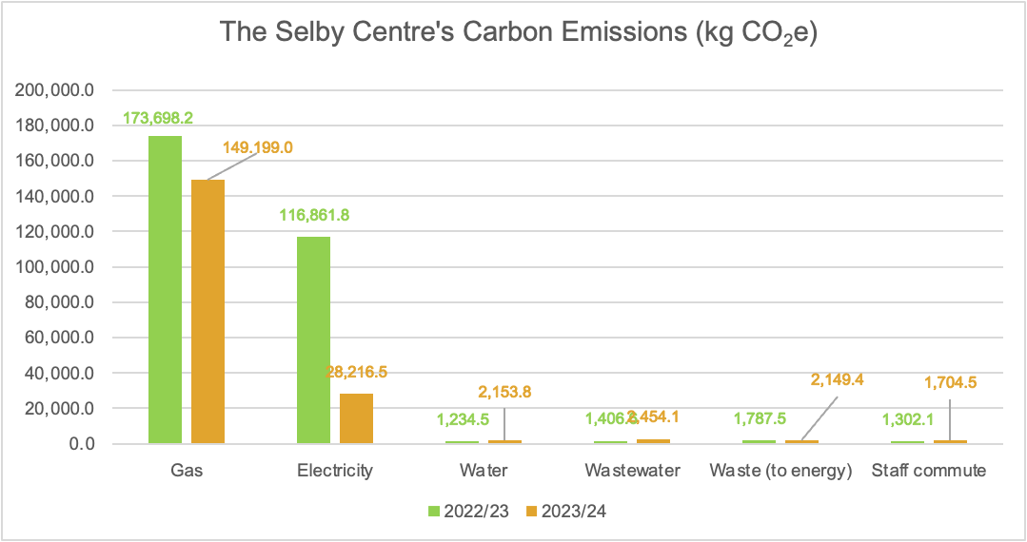

Reporting Requirements in terms of GRI and Carbon Emissions:

We need to include the following information for Scope 1: | 2020 | 2021 | 2022 | 2023
1. Gross direct Scope 1 GHG emissions in metric tons of CO2 equivalent | 0 | 0 | 0 | 0
2. Gases included in the calculation | CO2e
3. Base year for the calculation, including: the rationale for choosing it; emissions in the base year; the context for any signficiant changes in emissions that triggered reculculations of base year emissions. | 0
4. Source of emission factors. | GOV UK |  |  |  | There are references at the end of each year's CF's methodology. We could provide the link here and it would satisfy the next point as well. https://assets.publishing.service.gov.uk/media/647f50dd103ca60013039a8a/2023-ghg-cf-methodology-paper.pdf (2023)
5. Standards, methodologies, assumptions, and/or calculation tools used. | The GHG Protocol was used in consultation with the UK Government's Conversion Factors. The methodology was as follows: (1) Input data in relevant units; (2) Covert to all appropriate units (e.g., bags -> litre -> kilograms; miles -> kms); (3) Multiply the data by the UK Government's Conversion Factors. The sources of the Scottish Environmental Protection Agency were consulted to convert bags to litres to kilograms/

We need to include the following information for Scope 2:
1. Gross location-based energy indirect (Scope 2) GHG emissions in metric tons of CO2 equivalent. | 0 | 0 | 0 | 0
2. The gases included in the calculation. | CO2e
3. Base year for the calculation, including: the rationale for choosing it; emissions in the base year; the context for any signficiant changes in emissions that triggered reculculations of base year emissions. | 0
4. Source of emission factors. | GOV UK
5. Standards, methodologies, assumptions, and/or calculation tools used. | The GHG Protocol was used in consultation with the UK Government's Conversion Factors. The methodology was as follows: (1) Input data in relevant units; (2) Covert to all appropriate units (e.g., bags -> litre -> kilograms; miles -> kms); (3) Multiply the data by the UK Government's Conversion Factors. The sources of the Scottish Environmental Protection Agency were consulted to convert bags to litres to kilograms/

We need to include the following information for Scope 3:
1. Gross other indirect (Scope 3) GHG emissions in metric tons of CO2 equivalent. | 0 | 0 | 0 | 0
2. Gases included in the calculation | CO2e
3. Base year for the calculation, including: the rationale for choosing it; emissions in the base year; the context for any signficiant changes in emissions that triggered reculculations of base year emissions. | 0
4. Source of emission factors. | GOV UK
5. Standards, methodologies, assumptions, and/or calculation tools used. | The GHG Protocol was used in consultation with the UK Government's Conversion Factors. The methodology was as follows: (1) Input data in relevant units; (2) Covert to all appropriate units (e.g., bags -> litre -> kilograms; miles -> kms); (3) Multiply the data by the UK Government's Conversion Factors. The sources of the Scottish Environmental Protection Agency were consulted to convert bags to litres to kilograms/

We need to state that at this time there are no relevant GHG emissions intensity ratios for the organisation. | Please write a standard statement to be used on all reports

We need to include the following information for the reduction of GHG emissions
1. GHG emissions reduced as a direct result of reduction initiatives, in metric tons of CO2 equivalent. This might only be revelant in review audits and so in first time reports we need to specifically say that because we are quantifying GHG emissions for the first time there are no reductions. |  | 0 | 0 | 0 | Link to CRP - carbon reduction plan measures
2. Gases included in the calculation | CO2e
3. Base year for the calculation including the rationale for choosing it. | 0
4. Scopes in which the reductions took place. |  |  |  |  | Check CRP - Carbon reduction scope
5. Standards, methodologies, assumptions, and/or calculation tools used. | The GHG Protocol was used in consultation with the UK Government's Conversion Factors. The methodology was as follows: (1) Input data in relevant units; (2) Covert to all appropriate units (e.g., bags -> litre -> kilograms; miles -> kms); (3) Multiply the data by the UK Government's Conversion Factors. The sources of the Scottish Environmental Protection Agency were consulted to convert bags to litres to kilograms/

Confirmation to state that the orgnisation does not utilised any ozone-depletio substances (ODS) | As of January 2010, in line with the Montreal Protocol, ODS were prohibted and severely controlled. As such this organisation has no affiliation or use with these substances and are committed to reduce atmospheric emissions in this way.

We need to include the following information for Nox, Sox, and other significant air emissions: (I doubt this one will be possible) | At this point the NOx, SOx, and other significant air emissions are not included as a result of a lack of data.
1. Significant air emissions, in kgs or multiples of: Nox, Sox, POP, VOC, HAP, PM, other standard categories of air emissions identified in relevant regulations.
2. Source of emission factors. | GOV
3. Standards, methodologies, assumptions, and/or calculation tools used. | The GHG Protocol was used in consultation with the UK Government's Conversion Factors. The methodology was as follows: (1) Input data in relevant units; (2) Covert to all appropriate units (e.g., bags -> litre -> kilograms; miles -> kms); (3) Multiply the data by the UK Government's Conversion Factors. The sources of the Scottish Environmental Protection Agency were consulted to convert bags to litres to kilograms/

1 Conversion Factor UK SQ
 |  |  | Conv 2020 | Conv 2021 | Conv 2022 | Conv 2023 | Conv 2024
 | Scope (1, 2, 3) | Source
Energy | 2 | Electricity | 0.23314 | 0.21233 | 0.19338 | 0.207074 |  | kg CO2e/kWh |  | T&D - UK electricity 2023&2022 = 0.01792 kg CO2e/kWh; 0.01879 in 2021
 | 1 | Gas | 0.20374 | 0.20297 | 0.20227 | 0.20267141879 |  | kg CO2e/kWh
 | 1 | Diesel | 0.25568 | 0.25165 | 0.25631 | 0.25409276107 |  | kg CO2e/kWh
 | 1 | Oil | 0.2731 | 0.27318 | 0.27319 | 0.27287698926 |  | kg CO2e/kWh
 | 3 | Transmission and distribution - T&D- UK electricity | 0.02005 | 0.01879 | 0.01769 | 0.017915111409 |  | kg CO2e/kWh | Page 26 clarifies the transmission and distribution losses. https://assets.publishing.service.gov.uk/media/647f50dd103ca60013039a8a/2023-ghg-cf-methodology-paper.pdf#page27
 | 3 | Transmission and distribution - Distribution - district heat & steam | 0.00908 | 0.00899 | 0.00899 | 0.0094538778523 |  | kg CO2e/kWh
 |  | Converstion factor - Other (i.e district heating) | 0 | 0 | 0 | 0 |  | kg CO2e/kWh
 | 1 | On site energy generation (PV) | -0.23314 | -0.21233 | -0.19338 | -0.207074 |  | kg CO2e/kWh | Offsetting or avoiding Electricity use |  | Is there any guidance on how to account for this one? Maybe it is the same as electricity??
Water | 3 | Water | 0.344 | 0.149 | 0.149 | 0.17668454658 |  | kg CO2e/m3
 | 3 | Wastewater | 0.708 | 0.272 | 0.272 | 0.20131829171 |  | kg CO2e/m3
Waste | 3 | Waste to landfill | 458.1763 | 467.0458 | 467.00838445 | 520.33474346 |  | kg CO2e/tonne
 | 3 | Waste to energy | 21.3167 | 21.293565891 | 21.280807237 | 21.280807237 |  | kg CO2e/tonne
 | 3 | Waste to recycling | 21.3167 | 21.293565891 | 21.280807237 | 21.280807237 |  | kg CO2e/tonne
 | 3 | Waste to composting | 10.2039 | 8.9506976744 | 8.9105813953 | 8.9124217106 |  | kg CO2e/tonne
Business Travel | 3 | Car (small) | Petrol | 0.14836 | 0.14946 | 0.14652 | 0.14079853423 |  | kg CO2e/km
 | 3 | Car (medium) | Petrol | 0.18659 | 0.18785 | 0.1847 | 0.17818853423 |  | kg CO2e/km
 | 3 | Car (large) | Petrol | 0.27807 | 0.27909 | 0.27639 | 0.27223853423 |  | kg CO2e/km
 | 3 | Car (average) | Petrol | 0.1743 | 0.17431 | 0.17048 | 0.16390853423 |  | kg CO2e/km
 | 3 | Car (small) | Diesel | 0.13721 | 0.13758 | 0.13989414 | 0.13930644888 |  | kg CO2e/km
 | 3 | Car (medium) | Diesel | 0.16637 | 0.16496 | 0.16800414 | 0.16715644888 |  | kg CO2e/km
 | 3 | Car (large) | Diesel | 0.20419 | 0.20721 | 0.20953414 | 0.20858644888 |  | kg CO2e/km
 | 3 | Car (average) | Diesel | 0.16844 | 0.16843 | 0.17082414 | 0.16982644888 |  | kg CO2e/km
 | 3 | Car (small) | Hybrid | 0.10275 | 0.10494 | 0.10332 | 0.10149885772 |  | kg CO2e/km
 | 3 | Car (medium) | Hybrid | 0.10698 | 0.10957 | 0.10999 | 0.10783 |  | kg CO2e/km
 | 3 | Car (large) | Hybrid | 0.1448 | 0.15151 | 0.15491 | 0.15101 |  | kg CO2e/km
 | 3 | Car (average) | Hybrid | 0.11558 | 0.11952 | 0.12004 | 0.11781 |  | kg CO2e/km
 | 3 | Car (small) | Plug-in Hybrid | 0.0586 | 0.05568 | 0.05255 | 0.054022993289 |  | kg CO2e/km
 | 3 | Car (medium) | Plug-in Hybrid | 0.09251 | 0.09097 | 0.08597 | 0.085007334228 |  | kg CO2e/km
 | 3 | Car (large) | Plug-in Hybrid | 0.10515 | 0.10492 | 0.10148 | 0.10158438255 |  | kg CO2e/km
 | 3 | Car (average) | Plug-in Hybrid | 0.09712 | 0.09694 | 0.09349 | 0.093916412081 |  | kg CO2e/km
 | 3 | Motorbike (small) | 0.08277 | 0.08306 | 0.08306 | 0.083185186577 |  | kg CO2e/km
 | 3 | Motorbike (medium) | 0.10086 | 0.1009 | 0.1009 | 0.10107835705 |  | kg CO2e/km
 | 3 | Motorbike (large) | 0.13237 | 0.13245 | 0.13245 | 0.13251915705 |  | kg CO2e/km
 | 3 | Motorbike (average) | 0.11337 | 0.11355 | 0.11355 | 0.11367426443 |  | kg CO2e/km
 | 3 | Taxi (regular taxi) | 0.14549 | 0.14876 | 0.14876 | 0.20805644888 |  | kg CO2e/km
 | 3 | Taxi (black cab) | 0.20793 | 0.20416 | 0.20416 | 0.20402466838 |  | kg CO2e/km
 | 3 | Bus (local bus) | 0.1195 | 0.11774 | 0.10778 | 0.11836276913 |  | kg CO2e/km
 | 3 | Bus (local London bus) | 0.07856 | 0.07718 | 0.07936 | 0.078322508725 |  | kg CO2e/km
 | 3 | Bus (average local bus) | 0.10312 | 0.10227 | 0.0965 | 0.10215039463 |  | kg CO2e/km
 | 3 | Bus (coach) | 0.02732 | 0.02684 | 0.02733 | 0.027181401342 |  | kg CO2e/km
 | 3 | Rail (national rail) | 0.03694 | 0.03549 | 0.03549 | 0.035462963758 |  | kg CO2e/km
 | 3 | Rail (international rail) | 0.00497 | 0.00446 | 0.00446 | 0.0044590778523 |  | kg CO2e/km
 | 3 | Rail (light rail and tram) | 0.02991 | 0.02861 | 0.02861 | 0.028603267114 |  | kg CO2e/km
 | 3 | Rail (underground) | 0.0275 | 0.02781 | 0.02781 | 0.027802067114 |  | kg CO2e/km
 | 3 | Flight domestic (to/from UK) - Class (average passenger) | 0.2443 | 0.27257678523 | 0.24587 | 0.27257678523 |  | kg CO2e/km
 | 3 | Short Haul (to/from UK) Class - economic | 0.15298 | 0.18286935436 | 0.15102 | 0.18286935436 |  | kg CO2e/km
 | 3 | Short Haul (to/from UK) Class - average | 0.15553 | 0.1859171396 | 0.15353 | 0.1859171396 |  | kg CO2e/km
 | 3 | Short Haul (to/from UK) Class - business class | 0.22947 | 0.27430287785 | 0.22652 | 0.27430287785 |  | kg CO2e/km
 | 3 | Long Haul (to/from UK) - economic | 0.14615 | 0.20010828054 | 0.14787 | 0.20010828054 |  | kg CO2e/km
 | 3 | Long Haul (to/from UK) - average | 0.19085 | 0.26128062953 | 0.19309 | 0.26128062953 |  | kg CO2e/km
 | 3 | Long Haul (to/from UK) - business class | 0.42385 | 0.5802869302 | 0.42882 | 0.39044320537 |  | kg CO2e/km
 | 3 | International (to/from non-UK) - economic | 0.1392452 | 0.13464333031 | 0.140625 | 0.13464333031 |  | kg CO2e/km
 | 3 | International (to/from non-UK) - average | 0.18181 | 0.17580378389 | 0.18362 | 0.17580378389 |  | kg CO2e/km
 | 3 | International (to/from non-UK) - business class | 0.40379 | 0.39044320537 | 0.40781 | 0.39044320537 |  | kg CO2e/km
Freighting goods | 3 | Average Van (up to 3.5 tonnes) (diesel) | 0.2471 | 0.24116 | 0.23156 | 0.23128402685 |  | kg CO2e/km
 | 3 | Average Van (up to 3.5 tonnes) (petrol) | 0.21962 | 0.21047 | 0.21332 | 0.20132453826 |  | kg CO2e/km
 | 3 | HGVs (diesel) | 0.8654 | 0.86407 | 0.89061 | 0.87204847785 |  | kg CO2e/km
 | 3 | Refrigerated HGVs (diesel) | 1.0142 | 1.01192 | 1.04208 | 1.0209784779 |  | kg CO2e/km
 | 3 | Freight flights (Domestic to/from UK) | 2.52129 | 2.3765 | 2.3765 | 0.87204847785 |  | kg CO2e/km
 | 3 | Freight flights (Short-haul to/from UK) | 1.1681 | 1.21717 | 1.21717 | 0.98468517852 |  | kg CO2e/km
 | 3 | Freight flights (Long haul to/from UK) | 0.59943 | 0.53867 | 0.53867 | 0.64874160403 |  | kg CO2e/km
 | 3 | Freight flights (International to/from UK) | 0.59943 | 0.53867 | 0.53867 | 0.64874160403 |  | kg CO2e/km
 | 3 | Rail (freight train) | 0.02556 | 0.02782 | 0.02782 | 0.027788071141 |  | kg CO2e/km
 | 3 | Cargo Ship (Bulk carrier) | 0.003539 | 0.003539 | 0.003539 | 0.0035338045638 |  | kg CO2e/km
 | 3 | Cargo Ship (General cargo) | 0.013232 | 0.013232 | 0.013232 | 0.013212768591 |  | kg CO2e/km
 | 3 | Cargo Ship (Container ship) | 0.016142 | 0.016142 | 0.016142 | 0.013212768591 |  | kg CO2e/km
 | 3 | Cargo Ship (Vehicle transport) | 0.038581 | 0.038579 | 0.038579 | 0.038522957584 |  | kg CO2e/km
 | 3 | Cargo Ship (Refrigerated cargo) | 0.01308 | 0.01308 | 0.01308 | 0.013060990067 |  | kg CO2e/km
Staff Commute | 3 | Car (small) | Petrol | 0.14836 | 0.14946 | 0.14652 | 0.14079853423 |  | kg CO2e/km
 | 3 | Car (medium) | Petrol | 0.18659 | 0.18785 | 0.1847 | 0.17818853423 |  | kg CO2e/km
 | 3 | Car (large) | Petrol | 0.27807 | 0.27909 | 0.27639 | 0.27223853423 |  | kg CO2e/km
 | 3 | Car (average) | Petrol | 0.1743 | 0.17431 | 0.17048 | 0.16390853423 |  | kg CO2e/km
 | 3 | Car (small) | Diesel | 0.13721 | 0.13758 | 0.13989414 | 0.13930644888 |  | kg CO2e/km
 | 3 | Car (medium) | Diesel | 0.16637 | 0.16496 | 0.16800414 | 0.16715644888 |  | kg CO2e/km
 | 3 | Car (large) | Diesel | 0.20419 | 0.20721 | 0.20953414 | 0.20858644888 |  | kg CO2e/km
 | 3 | Car (average) | Diesel | 0.16844 | 0.16843 | 0.17082414 | 0.16982644888 |  | kg CO2e/km
 | 3 | Car (small) | Hybrid | 0.10275 | 0.10494 | 0.10332 | 0.10149885772 |  | kg CO2e/km
 | 3 | Car (medium) | Hybrid | 0.10698 | 0.10957 | 0.10999 | 0.10783 |  | kg CO2e/km
 | 3 | Car (large) | Hybrid | 0.1448 | 0.15151 | 0.15491 | 0.15101 |  | kg CO2e/km
 | 3 | Car (average) | Hybrid | 0.11558 | 0.11952 | 0.12004 | 0.11781 |  | kg CO2e/km
 | 3 | Car (small) | Plug-in Hybrid | 0.0586 | 0.05568 | 0.05255 | 0.054022993289 |  | kg CO2e/km
 | 3 | Car (medium) | Plug-in Hybrid | 0.09251 | 0.09097 | 0.08597 | 0.085007334228 |  | kg CO2e/km
 | 3 | Car (large) | Plug-in Hybrid | 0.10515 | 0.10492 | 0.10148 | 0.10158438255 |  | kg CO2e/km
 | 3 | Car (average) | Plug-in Hybrid | 0.09712 | 0.09694 | 0.09349 | 0.093916412081 |  | kg CO2e/km
 | 3 | Motorbike (small) | 0.08277 | 0.08306 | 0.08306 | 0.083185186577 |  | kg CO2e/km
 | 3 | Motorbike (medium) | 0.10086 | 0.1009 | 0.1009 | 0.10107835705 |  | kg CO2e/km
 | 3 | Motorbike (large) | 0.13237 | 0.13245 | 0.13245 | 0.13251915705 |  | kg CO2e/km
 | 3 | Motorbike (average) | 0.11337 | 0.11355 | 0.11355 | 0.11367426443 |  | kg CO2e/km
 | 3 | Taxi (regular taxi) | 0.14549 | 0.14876 | 0.14876 | 0.20805644888 |  | kg CO2e/km
 | 3 | Taxi (black cab) | 0.20793 | 0.20416 | 0.20416 | 0.20402466838 |  | kg CO2e/km
 | 3 | Bus (local bus) | 0.1195 | 0.11774 | 0.10778 | 0.11836276913 |  | kg CO2e/km
 | 3 | Bus (local London bus) | 0.07856 | 0.07718 | 0.07936 | 0.078322508725 |  | kg CO2e/km
 | 3 | Bus (average local bus) | 0.10312 | 0.10227 | 0.0965 | 0.10215039463 |  | kg CO2e/km
 | 3 | Bus (coach) | 0.02732 | 0.02684 | 0.02733 | 0.027181401342 |  | kg CO2e/km
 | 3 | Rail (national rail) | 0.03694 | 0.03549 | 0.03549 | 0.035462963758 |  | kg CO2e/km
 | 3 | Rail (international rail) | 0.00497 | 0.00446 | 0.00446 | 0.0044590778523 |  | kg CO2e/km
 | 3 | Rail (light rail and tram) | 0.02991 | 0.02861 | 0.02861 | 0.028603267114 |  | kg CO2e/km
 | 3 | Rail (underground) | 0.0275 | 0.02781 | 0.02781 | 0.027802067114 |  | kg CO2e/km
 | 3 | Flight domestic (to/from UK) - Class (average passenger) | 0.2443 | 0.27257678523 | 0.24587 | 0.27257678523 |  | kg CO2e/km
 | 3 | Short Haul (to/from UK) Class - economic | 0.15298 | 0.18286935436 | 0.15102 | 0.18286935436 |  | kg CO2e/km
 | 3 | Short Haul (to/from UK) Class - average | 0.15553 | 0.1859171396 | 0.15353 | 0.1859171396 |  | kg CO2e/km
 | 3 | Short Haul (to/from UK) Class - business class | 0.22947 | 0.27430287785 | 0.22652 | 0.27430287785 |  | kg CO2e/km
 | 3 | Long Haul (to/from UK) - economic | 0.14615 | 0.20010828054 | 0.14787 | 0.20010828054 |  | kg CO2e/km
 | 3 | Long Haul (to/from UK) - average | 0.19085 | 0.26128062953 | 0.19309 | 0.26128062953 |  | kg CO2e/km
 | 3 | Long Haul (to/from UK) - business class | 0.42385 | 0.5802869302 | 0.42882 | 0.39044320537 |  | kg CO2e/km
 | 3 | International (to/from non-UK) - economic | 0.1392452 | 0.13464333031 | 0.140625 | 0.13464333031 |  | kg CO2e/km
 | 3 | International (to/from non-UK) - average | 0.18181 | 0.17580378389 | 0.18362 | 0.17580378389 |  | kg CO2e/km
 | 3 | International (to/from non-UK) - business class | 0.40379 | 0.39044320537 | 0.40781 | 0.39044320537 |  | kg CO2e/km
Private vehicle for business use (SCOPE 2) | 2 | Car (small) | Petrol | 0.14836 | 0.14946 | 0.14652 | 0.14079853423 |  | kg CO2e/km
 | 2 | Car (medium) | Petrol | 0.18659 | 0.18785 | 0.1847 | 0.17818853423 |  | kg CO2e/km
 | 2 | Car (large) | Petrol | 0.27807 | 0.27909 | 0.27639 | 0.27223853423 |  | kg CO2e/km
 | 2 | Car (average) | Petrol | 0.1743 | 0.17431 | 0.17048 | 0.16390853423 |  | kg CO2e/km
 | 2 | Car (small) | Diesel | 0.13721 | 0.13758 | 0.13989414 | 0.13930644888 |  | kg CO2e/km
 | 2 | Car (medium) | Diesel | 0.16637 | 0.16496 | 0.16800414 | 0.16715644888 |  | kg CO2e/km
 | 2 | Car (large) | Diesel | 0.20419 | 0.20721 | 0.20953414 | 0.20858644888 |  | kg CO2e/km
 | 2 | Car (average) | Diesel | 0.16844 | 0.16843 | 0.17082414 | 0.16982644888 |  | kg CO2e/km
 | 2 | Car (small) | Hybrid | 0.10275 | 0.10494 | 0.10332 | 0.10149885772 |  | kg CO2e/km
 | 2 | Car (medium) | Hybrid | 0.10698 | 0.10957 | 0.10999 | 0.10783 |  | kg CO2e/km
 | 2 | Car (large) | Hybrid | 0.1448 | 0.15151 | 0.15491 | 0.15101 |  | kg CO2e/km
 | 2 | Car (average) | Hybrid | 0.11558 | 0.11952 | 0.12004 | 0.11781 |  | kg CO2e/km
 | 2 | Car (small) | Plug-in Hybrid | 0.0586 | 0.05568 | 0.05255 | 0.054022993289 |  | kg CO2e/km
 | 2 | Car (medium) | Plug-in Hybrid | 0.09251 | 0.09097 | 0.08597 | 0.085007334228 |  | kg CO2e/km
 | 2 | Car (large) | Plug-in Hybrid | 0.10515 | 0.10492 | 0.10148 | 0.10158438255 |  | kg CO2e/km
 | 2 | Car (average) | Plug-in Hybrid | 0.09712 | 0.09694 | 0.09349 | 0.093916412081 |  | kg CO2e/km
Company fleet and leased vehicles (SCOPE 1) | 1 | Average Van (up to 3.5 tonnes) (diesel) | 0.2471 | 0.24116 | 0.23156 | 0.23128402685 |  | kg CO2e/km
 | 1 | Average Van (up to 3.5 tonnes) (petrol) | 0.21962 | 0.21047 | 0.21332 | 0.20132453826 |  | kg CO2e/km
 | 1 | HGVs (diesel) | 0.8654 | 0.86407 | 0.89061 | 0.87204847785 |  | kg CO2e/km
 | 1 | Refrigerated HGVs (diesel) | 1.0142 | 1.01192 | 1.04208 | 1.0209784779 |  | kg CO2e/km
 | 1 | Freight flights (Domestic to/from UK) | 2.52129 | 2.3765 | 2.3765 | 0.87204847785 |  | kg CO2e/km
 | 1 | Freight flights (Short-haul to/from UK) | 1.1681 | 1.21717 | 1.21717 | 0.98468517852 |  | kg CO2e/km
 | 1 | Freight flights (Long haul to/from UK) | 0.59943 | 0.53867 | 0.53867 | 0.64874160403 |  | kg CO2e/km
 | 1 | Freight flights (International to/from UK) | 0.59943 | 0.53867 | 0.53867 | 0.64874160403 |  | kg CO2e/km
 | 1 | Rail (freight train) | 0.02556 | 0.02782 | 0.02782 | 0.027788071141 |  | kg CO2e/km
 | 1 | Cargo Ship (Bulk carrier) | 0.003539 | 0.003539 | 0.003539 | 0.0035338045638 |  | kg CO2e/km
 | 1 | Cargo Ship (General cargo) | 0.013232 | 0.013232 | 0.013232 | 0.013212768591 |  | kg CO2e/km
 | 1 | Cargo Ship (Container ship) | 0.016142 | 0.016142 | 0.016142 | 0.013212768591 |  | kg CO2e/km
 | 1 | Cargo Ship (Vehicle transport) | 0.038581 | 0.038579 | 0.038579 | 0.038522957584 |  | kg CO2e/km
 | 1 | Cargo Ship (Refrigerated cargo) | 0.01308 | 0.01308 | 0.01308 | 0.013060990067 |  | kg CO2e/km
 | 1 | Car (small) | Petrol | 0.14836 | 0.14946 | 0.14652 | 0.14079853423 |  | kg CO2e/km
 | 1 | Car (medium) | Petrol | 0.18659 | 0.18785 | 0.1847 | 0.17818853423 |  | kg CO2e/km
 | 1 | Car (large) | Petrol | 0.27807 | 0.27909 | 0.27639 | 0.27223853423 |  | kg CO2e/km
 | 1 | Car (average) | Petrol | 0.1743 | 0.17431 | 0.17048 | 0.16390853423 |  | kg CO2e/km
 | 1 | Car (small) | Diesel | 0.13721 | 0.13758 | 0.13989414 | 0.13930644888 |  | kg CO2e/km
 | 1 | Car (medium) | Diesel | 0.16637 | 0.16496 | 0.16800414 | 0.16715644888 |  | kg CO2e/km
 | 1 | Car (large) | Diesel | 0.20419 | 0.20721 | 0.20953414 | 0.20858644888 |  | kg CO2e/km
 | 1 | Car (average) | Diesel | 0.16844 | 0.16843 | 0.17082414 | 0.16982644888 |  | kg CO2e/km
 | 1 | Car (small) | Hybrid | 0.10275 | 0.10494 | 0.10332 | 0.10149885772 |  | kg CO2e/km
 | 1 | Car (medium) | Hybrid | 0.10698 | 0.10957 | 0.10999 | 0.10783 |  | kg CO2e/km
 | 1 | Car (large) | Hybrid | 0.1448 | 0.15151 | 0.15491 | 0.15101 |  | kg CO2e/km
 | 1 | Car (average) | Hybrid | 0.11558 | 0.11952 | 0.12004 | 0.11781 |  | kg CO2e/km
 | 1 | Car (small) | Plug-in Hybrid | 0.0586 | 0.05568 | 0.05255 | 0.054022993289 |  | kg CO2e/km
 | 1 | Car (medium) | Plug-in Hybrid | 0.09251 | 0.09097 | 0.08597 | 0.085007334228 |  | kg CO2e/km
 | 1 | Car (large) | Plug-in Hybrid | 0.10515 | 0.10492 | 0.10148 | 0.10158438255 |  | kg CO2e/km
 | 1 | Car (average) | Plug-in Hybrid | 0.09712 | 0.09694 | 0.09349 | 0.093916412081 |  | kg CO2e/km
Refrigerants | 1 | R404A | 3922 | 3922 | 3922 | 3943 |  | Total kg CO2e per kg | Emissions including only kyoto products
 | 1 | R407A | 2107 | 2107 | 2107 | 1923 |  | Total kg CO2e per kg
 | 1 | R407C | 1774 | 1774 | 1774 | 1624 |  | Total kg CO2e per kg
 | 1 | R408A | 3152 | 3152 | 2301 | 2430 |  | Total kg CO2e per kg
 | 1 | R410A | 2088 | 2088 | 2088 | 1924 |  | Total kg CO2e per kg
 | 1 | R134a | 1430 | 1430 | 1430 | 1300 |  | Total kg CO2e per kg
 | 1 | Other | 0 | 0 | 0 | 0 |  | Total kg CO2e per kg | Please check Refrigerant tab - other refrigerant - user input
Home working | 3 | Home Working | N/A | N/A | 0.34075331486 | 0.33378120457 |  | kg CO2e/working hour
Hotel stay (UK) | 3 | UK |  | 13.9 | 11.5 | 11.5 |  | kg CO2e/room/night
 | 3 | UK (London) | N/A | 13.8 | 10.4 | 10.4 |  | kg CO2e/room/night
Material use | 3 | Average construction (primary material production) | 79.2678 | 79.973672609 | 80.337766784 | 80.212818065 |  | kg CO2e/tonne
 | 3 | Aggregates (primary material production) | 7.7726 | 7.7589016 | 7.75101835 | 7.7513799904 |  | kg CO2e/tonne
 | 3 | Aggregates (re-used) | 2.21 | 2.21 | 2.21 | 2.21 |  | kg CO2e/tonne
 | 3 | Aggregates (closed-loop) | 3.2068 | 3.1991416 | 3.19470835 | 3.1949117232 |  | kg CO2e/tonne
 | 3 | Asphalt (primary material production) | 39.2125 | 39.212491829 | 39.212491829 | 39.212491829 |  | kg CO2e/tonne
 | 3 | Asphalt (re-used) | 1.7383 | 1.7382608696 | 1.7382608696 | 1.7382608696 |  | kg CO2e/tonne
 | 3 | Asphalt (closed-loop) | 28.6668 | 28.6591416 | 28.65470835 | 28.654911723 |  | kg CO2e/tonne
 | 3 | Bricks (primary material production) | 241.7726 | 241.7589016 | 241.75101835 | 241.75137999 |  | kg CO2e/tonne
 | 3 | Concrete (primary material production) | 131.7726 | 131.7589016 | 131.75101835 | 131.75137999 |  | kg CO2e/tonne
 | 3 | Concrete (closed-loop) | 3.2068 | 3.1991416 | 3.19470835 | 3.1949117232 |  | kg CO2e/tonne

References
reference link for each GOV UK converstion factor spreadsheet | https://www.gov.uk/government/collections/government-conversion-factors-for-company-reporting
https://assets.publishing.service.gov.uk/media/647f50dd103ca60013039a8a/2023-ghg-cf-methodology-paper.pdf#page27
https://assets.publishing.service.gov.uk/media/647f447d5f7bb700127fa5b3/conversion-factors-2023-statement-of-voluntary-compliance-cop-statistics.pdf
https://www.ipcc.ch/assessment-report/ar5/
https://www.gov.uk/government/collections/government-conversion-factors-for-company-reporting
https://unfccc.int/topics/science/workstreams/cooperation-with-the-ipcc/the-fifth-assessment-report-of-the-ipcc

https://www.ipcc.ch/report/sixth-assessment-report-cycle/

https://naei.beis.gov.uk/reports/reports?report_id=1108
https://www.ricardo.com/en/services/environmental-consulting

https://assets.publishing.service.gov.uk/media/647f447d5f7bb700127fa5b3/conversion-factors-2023-statement-of-voluntary-compliance-cop-statistics.pdf

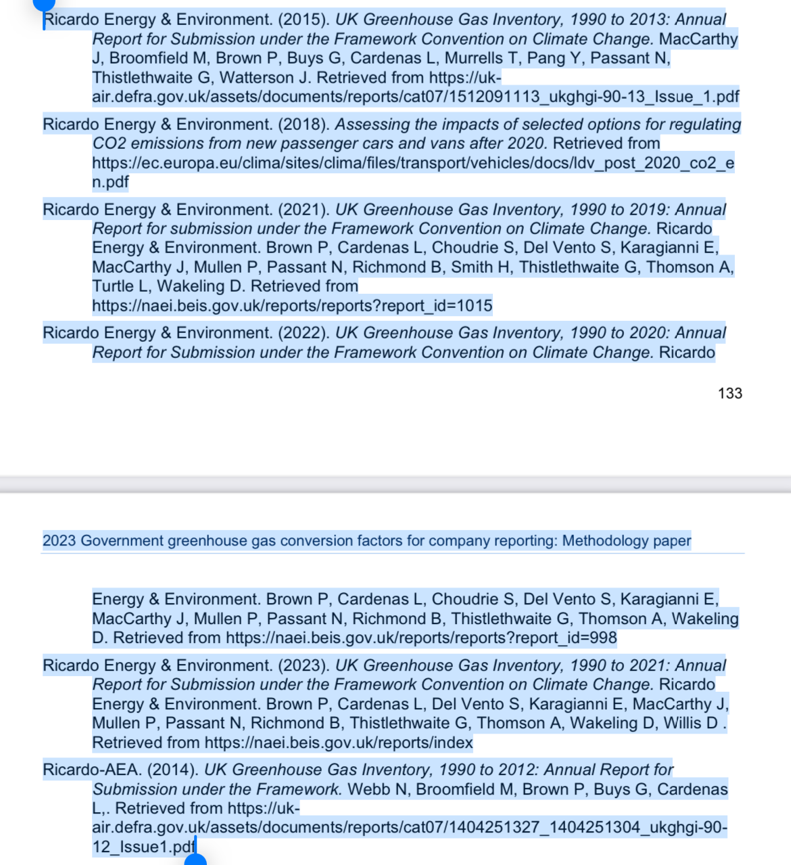

https://www.gov.uk/government/publications/greenhouse-gas-reporting-conversion-factors-2020

Conversion factors for PV
https://www.parliament.uk/globalassets/documents/post/postpn268.pdf
for Uk 58g CO2eq/kWh
for southern europe 35 CO2eq/kWh

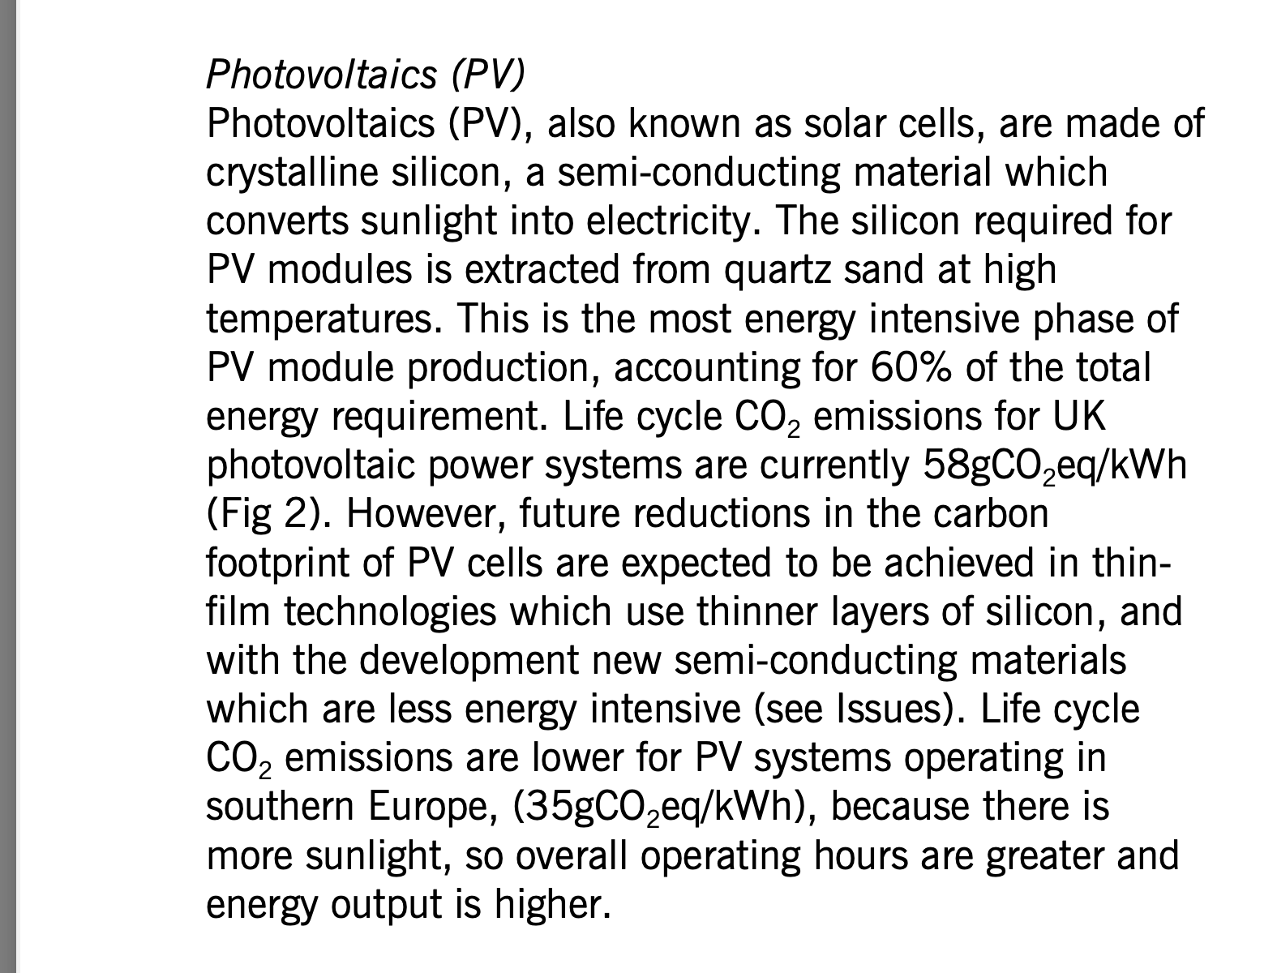

https://www.theecoexperts.co.uk/solar-panels/how-eco-friendly-are-they
ttps://solarisrenewables.com/blog/what-is-the-carbon-footprint-of-solar-panel-manufacturing/#:~:text=Solar%20panels%20emit%20around%2050g,of%20coal%2Dpowered%20electricity%20sources.

